Sheet1
Test case for Student Login Anna University Web Portal - done by NISHANTHINI V
 | Pre condition: Should Have Internet Connectivity,DOB,Captcha should be avaiblabe with enduser.
Test Scenario ID | Test Scenario | Test Case ID | Test Steps | Input | Expected Result | Actual Result | Result | Positive/Negative e_scenario
Ts-1 | Check url | Tc-1 | Go to the Anna University url https://coe1.annauniv.edu/home/ | https://coe1.annauniv.edu/home/ | 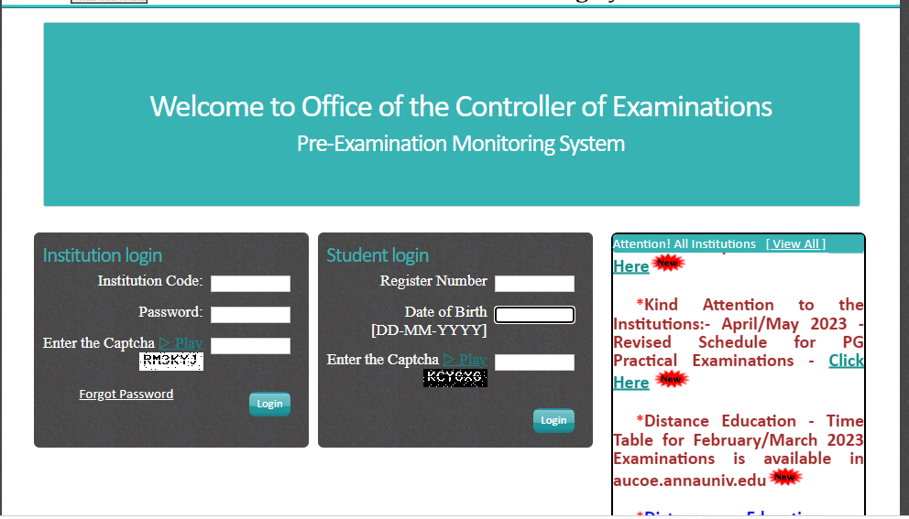 Home page is displayed | As expected | Pass | Positive
Ts-2 | Verify the Student login | Tc-2 | Check on the Student login |  | 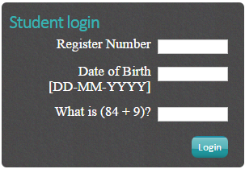 Login page will be displayed | As expected | Pass | Positive
 |  | Tc-3 | Enter valid Reg No, valid DOB and vaild captcha | Reg No=***********,DOB=##-##-####,Captcha = &&&&&& | 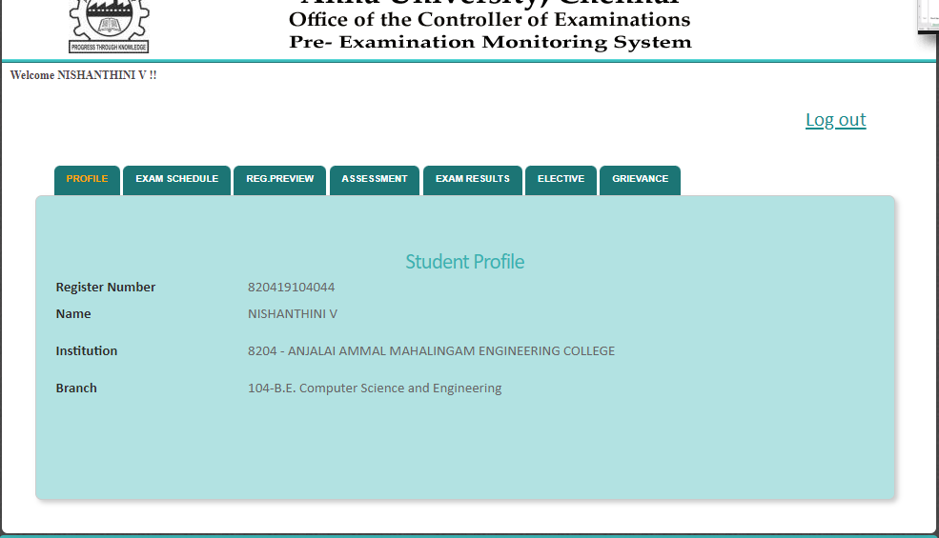 Profile is displayed | As expected | Pass | Positive
 |  | Tc-4 | Enter invalid Reg No, invalid DOB and invaild captcha | Reg No=****,DOB=##-##-##,Captcha = &&&& | A pop-up messgae box "Inavlid Data" | As expected | Pass | Positive
 |  | Tc-5 | Enter invalid Reg No, valid DOB and vaild captcha | Reg No=********,DOB=##-##-##,Captcha= &&&&&& | A pop-up messgae box "Inavlid Data" | As expected | Pass | Positive
 |  | Tc-6 | Enter invalid Reg No, valid DOB and invaild captcha | Reg No=*******,DOB=##-##-####,Captcha =&&&& | A pop-up messgae box "Inavlid Data" | As expected | Pass | Positive
 |  | Tc-7 | Enter valid Reg No, invalid DOB and vaild captcha | Reg No=*********,DOB=##-##-####,Captcha = &&&&&& | 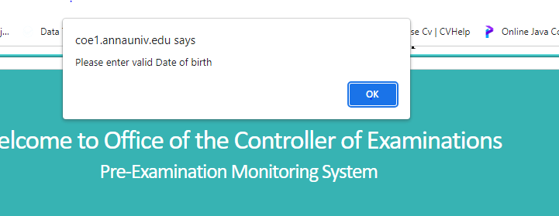 A pop-up messgae box "Please enter valid Date of birth" | As expected | Pass | Positive
 |  | Tc-8 | Enter valid Reg No, invalid DOB and invaild captcha | Reg No=*********,DOB=##-##-##,Captcha = &&&& | A pop-up messgae box "Please enter valid Date of birth" | As expected | Pass | Positive
 |  | Tc-9 | Enter valid Reg No, valid DOB and invaild captcha | Reg No=***********,DOB=##-##-####,Captcha = &&&& | invalid data | As expected | Pass | Positive
 |  | Tc-10 | Enter valid Reg No, invalid DOB and invaild captcha | Reg No=***********,DOB=##-##-##,Captcha =&&&& | A pop-up messgae box "Please enter valid Date of birth" | As expected | Pass | Positive
 |  | Tc-11 | Enter valid Reg No, invalid DOB and invaild captcha | Reg No=***********,DOB=##-##-##,Captcha =&&&& | inavlid | As expected |  | Positive
 |  | Tc-12 | Enter Reg No. empty,valid DOB and vaild captcha | Reg No.= " " ,DOB=##-##-##,Captcha = &&&&& | 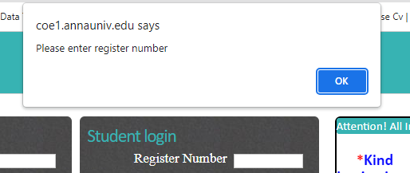 inavlid | As expected |  | Positive
 |  | Tc-13 | Enter vaild Reg No.,DOB empty and vaild captcha | Reg No=***********,DOB=" ",Captcha : &&&&&& | invalid data | As expected |  | Positive
 |  | Tc-14 | Enter vaild Reg No.,valid DOB and captcha empty | Reg No.***********,DOB:##-##-####, Captcha : " " | invalid data | As expected | Pass | Positive
 |  | Tc-15 | Enter Reg No. empty, invalid DOB and vaild captcha | Reg No.=" ",DOB:##-##-##, Captcha : &&&&&& | invalid data | As expected | Pass | Positive
 |  | Tc-16 | Enter invaid Reg No. , DOB is empty and vaild captcha | Reg No.********,DOB: " ", Captcha : &&&&&& | invalid data | As expected | Pass | Positive
 |  | Tc-17 | Enter invalid Reg No.,valid DOB and captcha is empty | Reg No.********,DOB:##-##-####, Captcha : " " | invalid data | As expected | Pass | Positive
 |  | Tc-18 | Enter Reg No. empty,valid DOB and vaild captcha | Reg No.***********,DOB:##-##-##, Captcha : " " | invalid data | As expected | Pass | Positive
 |  | Tc-19 | Enter Reg No. empty,valid DOB and invaild captcha | Reg No.=" ",DOB:##-##-####, Captcha : &&&& | invalid data | As expected | Pass | Positive
 |  | Tc-20 | Enter vaild Reg No. , invaild DOB and captcha is empty | Reg No.***********,DOB:##-##-##, Captcha : =" " | invalid data | As expected | Pass | Positive
 |  | Tc-21 | Enter Reg No. empty, DOB is empty and vaild captcha | Reg No.=" ",DOB=" ", Captcha :&&&&&& | invalid data | As expected | Pass | Positive
 |  | Tc-22 | Enter valid Reg No. ,DOB is empty and captcha is empty | Reg No.***********,DOB=" ", Captcha : " " | invalid data | As expected | Pass | Positive
 |  | Tc-23 | Enter Reg No. empty,valid DOB and captcha is empty | Reg No=" ",DOB:##-##-####, Captcha : " " | invalid data | As expected | Pass | Positive
 |  | Tc-24 | Enter Reg No. empty,invalid DOB and captcha is empty | Reg No.=" ",DOB:##-##-##, Captcha : " " | invalid data | As expected | Pass | Positive
 |  | Tc-25 | Enter invalid Reg NO, DOB is empty and captcha is empty | Reg No.******,DOB=" ", Captcha : " " | invalid data | As expected | Pass | Positive
 |  | Tc-26 | Enter invalid Reg No. , DOB is empty and invaild captcha | Reg No.******,DOB=" ", Captcha : &&& | invalid data | As expected | Pass | Positive
 |  | Tc-27 | Enter invalid Reg No.,invalid DOB and captcha is empty | Reg No.******,DOB=##-##-##, Captcha : " " | invalid data | As expected | Pass | Positive
 |  | Tc-28 | Enter Reg No. empty,invalid DOB and invaild captcha | Reg No.=" ",DOB=##-##-##, Captcha : &&&&& | invalid data | As expected | Pass | Positive
 |  | Tc-29 | Enter Reg No. empty, DOB is empty and captcha is empty | Reg No.=" ",DOB=##-##-##, Captcha : &&&&& | 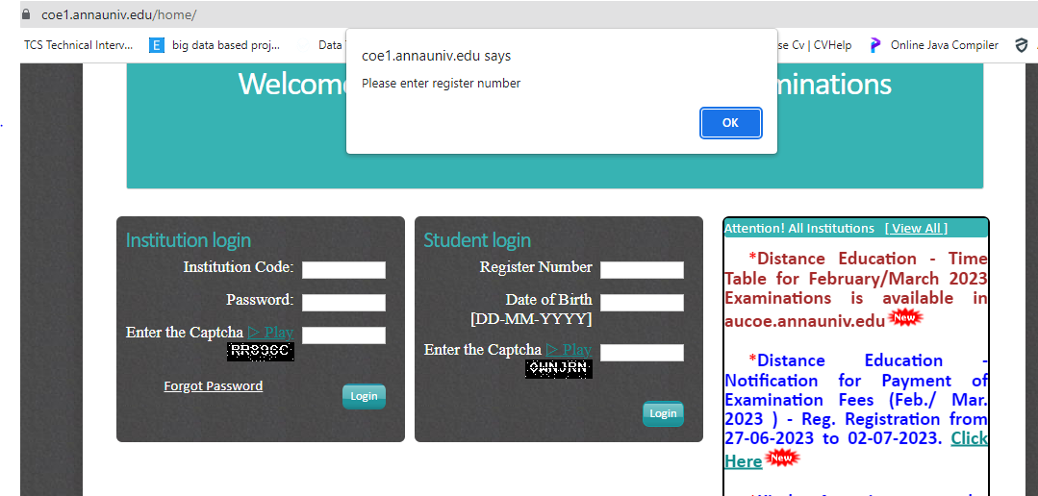 invalid data | As expected |  | Positive
Ts -3 | Checking the exam schedule | Tc-30 | After successfuly login, clicking the exam schedule button | in good network connection | 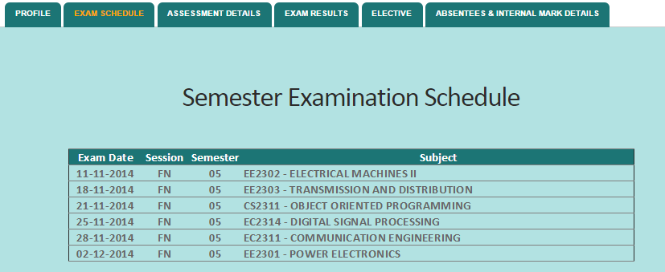 Exam Schedule will be displayed | As expected | Pass | Positive
 |  | Tc-31 | After successfuly login, clicking the exam schedule button | in bad network connection |  A pop-up messgae box "Inavlid Data" | As expected | Pass | Positive
Ts - 4 | Checking the Assesement Details | Tc-32 | After successfuly login, clicking the exam schedule button | in good network connection | 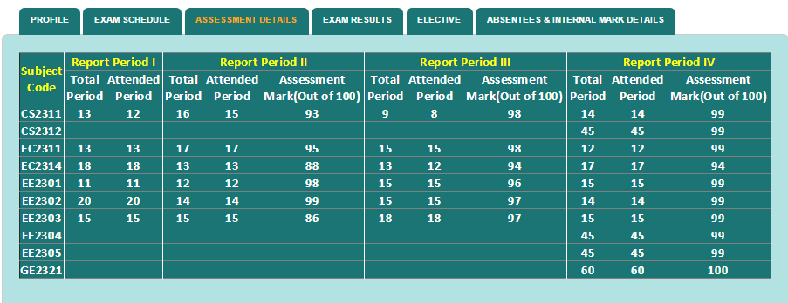 Assesement Details will be displayed
 |  | Tc-33 | After successfuly login, clicking the exam schedule button | in bad network connection | A pop-up messgae box "Inavlid Data"
TS -5 | Check the exam result | Tc-34 | After successfuly login, clicking the exam schedule button | in good network connection | 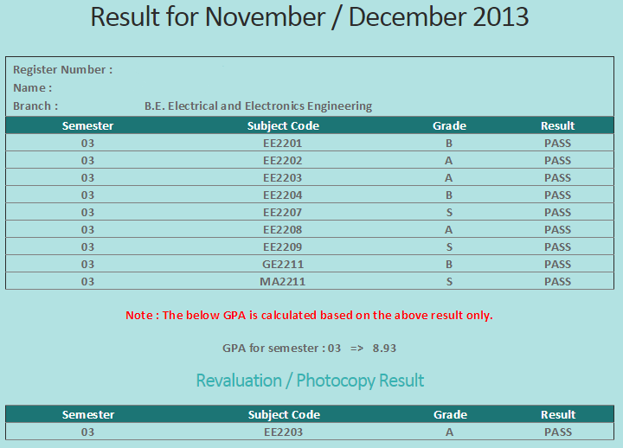 Result Page will be displayed
 |  | Tc-35 | After successfuly login, clicking the exam schedule button | in bad network connection | A pop-up messgae box "Inavlid Data"
Ts - 6 | Checking the Absensteees and Internal Marks | Tc-36 | After successfuly login, clicking the exam schedule button | in good network connection | 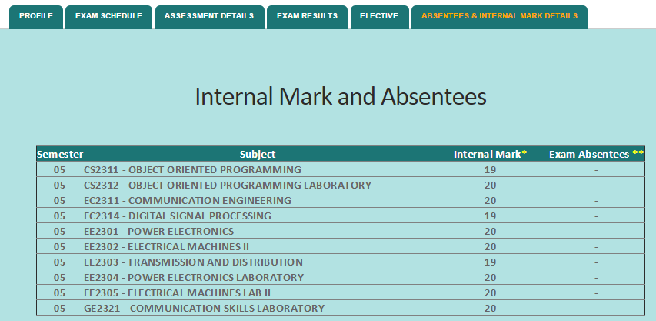 Absentees ans Internal Marks will be displayed
 |  | Tc-37 | After successfuly login, clicking the exam schedule button | in bad network connection | A pop-up messgae box "Inavlid Data"
Ts -7 | Checking Log-out | Tc-38 | Clicking Log-out Button |  | Home page is displayed

